Sheet11
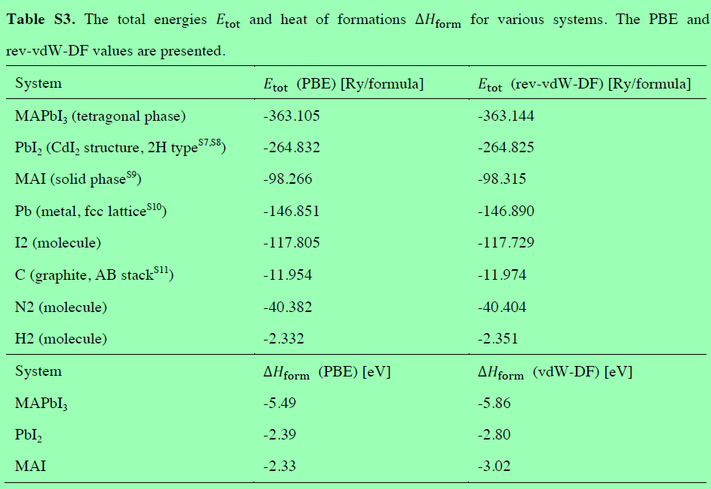
μpb(Pb-poor, Pb-rich) |  |  | Pb(Bulk) |  |  | E(Vpb_1) |  |  | E(MAPbI3)perfect |  |  | Formation Energy(PBESCS,PBE,PBESCS,PBE) | Molecule | MBD | PBE | TS | PBE+MBD | PBE+TS
 |  |  |  |  |  |  |  |  |  |  |  |  | MAPbI3 | -1.1175928075 | -1151699.6943 | -1.1022996897 | -1151700.8119 | -1151700.7966
 |  |  |  |  |  |  |  |  |  |  |  |  | MA | -0.058815 | -520.93654282 | -0.0686425 | -520.99535782 | -521.00518532
MBD | PBE | TS | MBD | PBE | TS | MBD | PBE | TS | MBD | PBE | TS | -0.76352888326 | I | -0.19517892125 | -193637.75364 | -0.21103936 | -193637.94882 | -193637.96468
-0.230840005 | -568161.34678 | -0.16990864925 |  |  |  |  |  |  |  |  |  |  | Pb | -0.4295880725 | -568159.2728 | -0.2954574475 | -568159.70238 | -568159.56825
 |  |  |  |  |  |  |  |  |  |  |  |  | PbI2 | -0.63868262 | -955436.82708 | -0.651085049 | -955437.46576 | -955437.47817
MBD | PBE | TS | -0.4295880725 | -568159.2728 | -0.2954574475 | -8.57657556 | -8645441.3377 | -8.580852886 | -8.94074246 | -9213597.5541 | -8.818397518 | -0.89685577826 | MAI | -0.49639496 | -196262.8402 | -0.5103123205 | -196263.33659 | -196263.35051
-0.4295880725 | -568159.2728 | -0.2954574475 |  |  |  |  |  |  |  |  |  |  | μ*I(I-poor) | 0.09937403375 | -1.0369937021 | 0.062774399125 | -0.93761966831 | -0.97421930293 | -1.11
 |  |  |  |  |  |  |  |  |  |  |  |  | μ*pb(Pb-poor) | 0.1987480675 | -2.0739874041 | 0.12554879825 | -1.8752393366 | -1.9484386059 | -2.22
Ef(MBD+PBE) Pb-poor | 0.92161111674 |  | MBD Pb-poor | 0.133326895 |  | PBE Pb-poor | 0.78828422174 |  | TS Pb-poor | 0.06763598275 |  | 1.1117104534 | (Pb)p | -0.230840005 | -568161.34678 | -0.16990864925 | -568161.57762 | -568161.51669
 |  |  |  |  |  |  |  |  |  |  |  |  | (I)p(PbI2) | -0.0958048875 | -193638.79064 | -0.14826496087 | -193638.88644 | -193638.9389
 |  |  |  |  |  |  |  |  |  |  |  |  | (MA)l | -0.30121603875 | -2625.0865531 | -0.2992729605 | -2625.3877691 | -2625.3858261
Ef(MBD+PBE) Pb-rich | 2.7968504534 |  | MBD Pb-rich | -0.0654211725 |  | PBE Pb-rich | 2.8622716259 |  | TS Pb-rich | -0.0579128155 |  | 1.1771316259 | (MA)r | -0.4005900725 | -2624.0495594 | -0.36204735962 | -2624.4501495 | -2624.4116068
 |  |  |  |  |  |  |  |  |  |  |  |  | (I)r(PbI2) | -0.19517892125 | -193637.75364 | -0.21103936 | -193637.94882 | -193637.96468
 |  |  |  |  |  |  |  |  |  |  |  |  | (Pb)r | -0.4295880725 | -568159.2728 | -0.2954574475 | -568159.70238 | -568159.56825
μI(I-poor, I-rich) |  |  | I(Bulk) |  |  | E(VI_2) |  |  | E(MAPbI3)perfect |  |  | Formation Energy(PBESCS,PBE,PBESCS,PBE) | (I)p(MAI) | -0.0958048875 | -193638.79064 | -0.14826496087 | -193638.88644 | -193638.9389 |  | -837.2833268
 |  |  |  |  |  |  |  |  |  |  |  |  | (I)r(MAI) | -0.19517892125 | -193637.75364 | -0.21103936 | -193637.94882 | -193637.96468 |  | -837.28962384
 |  |  |  |  |  |  |  |  |  |  |  |  | MAI(single Molecule) | -0.10408 | -836.81690386 | -0.10961 | -836.92098386 | -836.92651386
MBD | PBE | TS | MBD | PBE | TS | MBD | PBE | TS | MBD | PBE | TS | 1.5183445271 | E(PbI2) | 0.181263295 | -2.0469993764 | 0.0664511185 | -1.8657360814 | -1.9805482579
-0.0958048875 | -193638.79064 | -0.14826496087 |  |  |  |  |  |  |  |  |  |  | E(MAI) | -0.14448749625 | -2.9666356638 | -0.153584563 | -3.11112316 | -3.1202202268 |  | -2625.0865531
 |  |  |  |  |  |  |  |  |  |  |  |  | E(MAPbI3) | 0.05426057125 | -5.0406230679 | -0.02803576475 | -4.9863624966 | -5.0686588326
MBD | PBE | TS | -0.19517892125 | -193637.75364 | -0.21103936 | -8.70386857 | -9019965.7936 | -8.651615135 | -8.94074246 | -9213597.5541 | -8.818397518 | 1.3772755246 | Ethlapy(MAPbI3) | 0.0174847725 | -0.026988027676 | 0.05909767975 | -0.0095032551755 | 0.032109652074
-0.19517892125 | -193637.75364 | -0.21103936 |  |  |  |  |  |  |  |  |  |  | E(MAPbI3)-E(MAI) | 0.1987480675 | -2.0739874041 | 0.12554879825 | -1.8752393366 | -1.9484386059 |  | -520.86154282
 |  |  |  |  |  |  |  |  |  |  |  |  | The total energy of H2 | -0.001102205 | -15.874292754 | -1.46595E-05 | -15.875394959 | -15.874307413
Ef(MBD+PBE) I-poor | 4.8886245271 |  | MBD I-poor | 0.1410690025 |  | PBE I-poor | 4.7475555246 |  | TS I-poor | 0.018517422125 |  | 2.4559641954 | The total energy of C | -0.1480136675 | -1036.8432491 | -0.1454714835 | -1036.9912628 | -1036.9887206 |  | -0.026988027501
 |  |  |  |  |  |  |  |  |  |  |  |  | The total energy of N2 | -0.002101645 | -1490.0309118 | -0.000128957 | -1490.0330134 | -1490.0310407

Ef(MBD+PBE) I-rich | 5.8262441954 |  | MBD I-rich | 0.04169496875 |  | PBE I-rich | 5.7845492267 |  | TS I-rich | -0.044256977 |  | 2.4142692267

 |  |  |  |  |  |  |  |  |  |  |  |  | MA(One Molecule) | SCS | PBE | TS | PBE+SCS | PBE+TS
μMA(Pb-poor, I-poor) |  |  | MA(Four Molecule) |  |  | E(Vma_1) |  |  | E(MAPbI3)perfect |  |  | Formation Energy(PBESCS,PBE,PBESCS,PBE) | MAPbI3 | -1.12551625 | -3125.1335546 | -1.08296 | -3126.2590708 | -3126.2165146
 |  |  |  |  |  |  |  |  |  |  |  |  | MA | -0.01199 | -520.51582157 | -0.00818 | -520.52781157 | -520.52400157 |  | -541.34510042
 |  |  |  |  |  |  |  |  |  |  |  |  | I | -0.16919 | -313.16044032 | -0.16745375 | -313.32963032 | -313.32789407
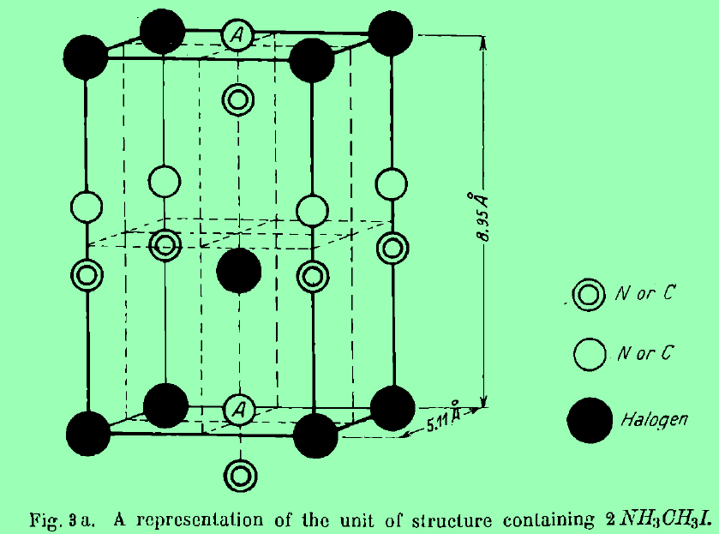
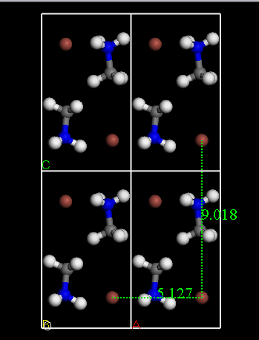
MBD | PBE | TS | MBD | PBE | TS | MBD | PBE | TS | MBD | PBE | TS | -0.94372344718 | Pb | -0.338295 | -1659.592145 | -0.314505 | -1659.93044 | -1659.90665
-0.30121603875 | -2625.0865531 | -0.2992729605 |  |  |  |  |  |  |  |  |  |  | PbI2 | -0.64692 | -2287.8958423 | -0.66013 | -2288.5427623 | -2288.5559723
 |  |  |  |  |  |  |  |  |  |  |  |  | MAI | -0.49839 | -836.81690698 | -0.510735 | -837.31529698 | -837.32764198
MBD | PBE | TS | -0.0685025 | -520.98418939 | -0.069675 | -8.42004553 | -9210977.7259 | -8.24553128 | -8.94074246 | -9213597.5541 | -8.818397518 | -1.1632043384 | u*I(I-poor) | -0.037034375 | -1.3780667991 | -0.029875 | -1.4151011741 | -1.4079417991
-0.4005900725 | -2624.0495594 | -0.36204735962 |  |  |  |  |  |  |  |  |  |  | u*pb(Pb-poor) | -0.07406875 | -2.7561335983 | -0.05975 | -2.8302023483 | -2.8158835983
 |  |  |  |  |  |  |  |  |  |  |  |  | μ(Pb)p | -0.41236375 | -1662.3482786 | -0.374255 | -1662.7606423 | -1662.7225336
Ef(MBD+PBE) Pb-poor | 0.74141655282 |  | MBD Pb-poor | 0.21948089125 |  | PBE Pb-poor | 0.52193566157 |  | TS Pb-poor | 0.2735932775 |  | -0.0061037788735 | μ(I)p(PbI2) | -0.206224375 | -314.53850712 | -0.19732875 | -314.7447315 | -314.73583587
 |  |  |  |  |  |  |  |  |  |  |  |  | μ(MA)l | -0.2055825 | -523.30395505 | -0.20634375 | -523.50953755 | -523.5102988
 |  |  |  |  |  |  |  |  |  |  |  |  | μ(MA)r | -0.168548125 | -521.92588826 | -0.17646875 | -522.09443638 | -522.10235701
Ef(MBD+PBE) I-poor | 1.6790362211 |  | MBD I-poor | 0.1201068575 |  | PBE I-poor | 1.5589293636 |  | TS I-poor | 0.21081887837 |  | -0.12621063637 | μ(I)r(PbI2) | -0.16919 | -313.16044032 | -0.16745375 | -313.32963032 | -313.32789407
 |  |  |  |  |  |  |  |  |  |  |  |  | μ(Pb)r | -0.338295 | -1659.592145 | -0.314505 | -1659.93044 | -1659.90665
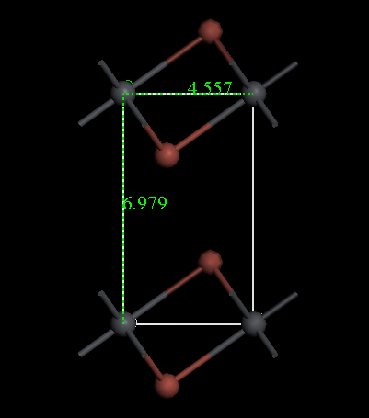
 |  |  |  |  |  |  |  |  |  |  |  |  | μ(I)p(MAI) | -0.206224375 | -314.53850712 | -0.19732875 | -314.7447315 | -314.73583587
μI(I-poor, I-rich) |  |  | I(Bulk) |  |  | E(VI+1) |  |  | E(MAPbI3)perfect |  |  | Formation Energy(PBESCS,PBE,PBESCS,PBE) | μ(I)r(MAI) | -0.16919 | -313.16044032 | -0.16745375 | -313.32963032 | -313.32789407

 |  |  |  |  |  |  |  |  |  |  |  |  | E(PbI2) | 0.029755 | -1.982816708 | -0.0107175 | -1.953061708 | -1.993534208
MBD | PBE | TS | MBD | PBE | TS | MBD | PBE | TS | MBD | PBE | TS | 1.3006275472 | E(MAI) | -0.1935925 | -2.7881334867 | -0.19816375 | -2.9817259867 | -2.9862972367
-0.0958048875 | -193638.79064 | -0.14826496087 |  |  |  |  |  |  |  |  |  |  | E(MAPbI3) | -0.26766125 | -5.544267085 | -0.25791375 | -5.811928335 | -5.802180835
 |  |  |  |  |  |  |  |  |  |  |  |  | Ethlapy(MAPbI3) | -0.10382375 | -0.77331689026 | -0.0490325 | -0.87714064026 | -0.82234939026
MBD | PBE | TS | -0.19517892125 | -193637.75364 | -0.21103936 | -8.51072941 | -9019953.7118 | -8.342119532 | -8.94074246 | -9213597.5541 | -8.818397518 | 0.96641938467 | E(MAPbI3)-E(MAI) | -0.07406875 | -2.7561335983 | -0.05975 | -2.8302023483 | -2.8158835983
-0.19517892125 | -193637.75364 | -0.21103936 |  |  |  |  |  |  |  |  |  |  | The total energy of H2 | -0.000015 | -15.847901294 | -0.000015 | -15.847916294 | -15.847916294
 |  |  |  |  |  |  |  |  |  |  |  |  | The total energy of C | -0.1353925 | -155.06838507 | -0.1448975 | -155.20377757 | -155.21328257
Ef(MBD+PBE) I-poor | -0.38451245283 |  | MBD I-poor | 0.3342081625 |  | PBE I-poor | -0.71872061533 |  | TS I-poor | 0.32801302512 |  | 2.2382472155 | The total energy of N2 | -0.000125 | -270.71254033 | -0.00013 | -270.71266533 | -270.71267033

Ef(MBD+PBE) I-rich | 0.55310721548 |  | MBD I-rich | 0.23483412875 |  | PBE I-rich | 0.31827308673 |  | TS I-rich | 0.265238626 |  | 2.0034130867

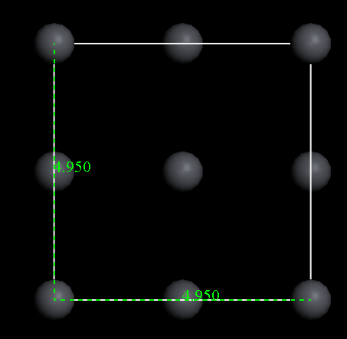
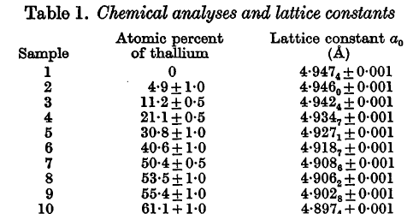
 |  |  |  |  |  |  |  |  |  |  |  |  | Chemical elements | PBE+SCS | PBE | PBE+TS
μpb(Pb-poor, Pb-rich) |  |  | Pb(Bulk) |  |  | E(Vpb_2) |  |  | E(MAPbI3)perfect |  |  | Formation Energy(PBESCS,PBE,PBESCS,PBE) | I | -313.32963032
 |  |  |  |  |  |  |  |  |  |  |  |  | Pb |  | -1659.592145 | -1659.90665
 |  |  |  |  |  |  |  |  |  |  |  |  | PbI2 | -2288.5427623 | -2287.8958423
MBD | PBE | TS | MBD | PBE | TS | MBD | PBE | TS | MBD | PBE | TS | -2.7510091044 | E(PbI2) | -2.291356708 |  | -1.976851708
-0.230840005 | -568161.34678 | -0.16990864925 |  |  |  |  |  |  |  |  |  |  | MA | -521.05269189
 |  |  |  |  |  |  |  |  |  |  |  |  | I
MBD | PBE | TS | -0.4295880725 | -568159.2728 | -0.2954574475 | -8.62440868 | -8645447.2774 | -8.640993906 | -8.94074246 | -9213597.5541 | -8.818397518 | -2.8365028794 | MAI | -837.77903001
-0.4295880725 | -568159.2728 | -0.2954574475 |  |  |  |  |  |  |  |  |  |  | E(MAI)

Ef(MBD+PBE) Pb-poor | 0.61927089563 |  | MBD Pb-poor | 0.085493775 |  | PBE Pb-poor | 0.53377712063 |  | TS Pb-poor | 0.00749496275 |  | -0.87576976775
 |  |  |  |  |  |  |  |  |  |  |  |  | Neutral Defect | Ef,(eV) I-poor (Pb-rich) | Ef,(eV) I-rich (Pb-poor) |  | Ef,(eV) I-poor (Pb-rich) | Ef,(eV) I-rich (Pb-poor) | ΔEf(eV) I-poor (Pb-rich) | ΔEf(eV) I-rich (Pb-poor)
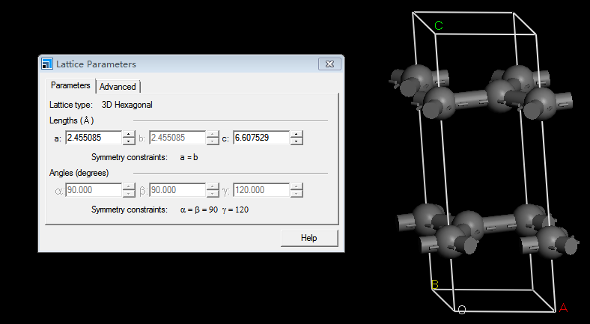
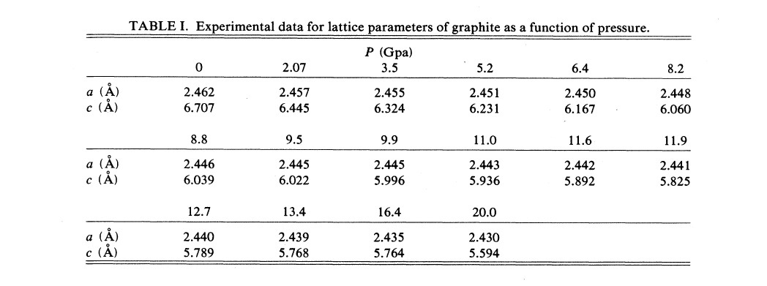
Ef(MBD+PBE) Pb-rich | 2.4945102323 |  | MBD Pb-rich | -0.1132542925 |  | PBE Pb-rich | 2.6077645248 |  | TS Pb-rich | -0.1180538355 |  | -0.76251547525
 |  |  |  |  |  |  |  |  |  |  |  |  | Vpb | 2.8622716259 | 0.78828422174 | -2.0739874041 | 2.69 | 0.47 | 0.17227162586 | 0.31828422174

μI(I-poor, I-rich) |  |  | I(Bulk) |  |  | E(VI_1) |  |  | E(MAPbI3)perfect |  |  | Formation Energy(PBESCS,PBE,PBESCS,PBE)
 |  |  |  |  |  |  |  |  |  |  |  |  | VI(MAI) | 4.7475555246 | 5.7845492267 | -1.0369937021 | 0.87 | 2.04 | 3.8775555246 | 3.7445492267

MBD | PBE | TS | MBD | PBE | TS | MBD | PBE | TS | MBD | PBE | TS | 1.2436528582
-0.0958048875 | -193638.79064 | -0.14826496087 |  |  |  |  |  |  |  |  |  |  | VI(PbI2) | 4.7475555246 | 5.7845492267 | -1.0369937021 | 0.85 | 2.05 | 3.8975555246 | 3.7345492267

MBD | PBE | TS | -0.19517892125 | -193637.75364 | -0.21103936 | -8.64351673 | -9019961.9456 | -8.581562461 | -8.94074246 | -9213597.5541 | -8.818397518 | 1.0422320157
-0.19517892125 | -193637.75364 | -0.21103936 |  |  |  |  |  |  |  |  |  |  | Vma | 1.5589293636 | 0.52193566157 | -1.0369937021 | 1.91 | 0.62 | -0.35107063637 | -0.098064338432

Ef(MBD+PBE) I-poor | 2.9287928582 |  | MBD I-poor | 0.2014208425 |  | PBE I-poor | 2.7273720157 |  | TS I-poor | 0.088570096125 |  | 2.1812725265
 |  |  |  |  |  |  |  |  |  |  |  |  | MAi |  |  |  | 1.12 | 2.43

Ef(MBD+PBE) I-rich | 3.8664125265 |  | MBD I-rich | 0.10204680875 |  | PBE I-rich | 3.7643657177 |  | TS I-rich | 0.025795697 |  | 2.0792257177
 |  |  |  |  |  |  |  |  |  |  |  |  | Pbi |  |  |  | 1.05 | 3.27

μI(I-poor, I-rich) |  |  | I(Bulk) |  |  | E(VI+2) |  |  | E(MAPbI3)perfect |  |  | Formation Energy(PBESCS,PBE,PBESCS,PBE)
 |  |  |  |  |  |  |  |  |  |  |  |  | Ii |  |  |  | 1.75 | 0.57

MBD | PBE | TS | MBD | PBE | TS | MBD | PBE | TS | MBD | PBE | TS | 3.1301221566
-0.0958048875 | -193638.79064 | -0.14826496087 |  |  |  |  |  |  |  |  |  |  | PbI |  |  |  | 3.6(4.22) | 0.19(0.9)

MBD | PBE | TS | -0.19517892125 | -193637.75364 | -0.21103936 | -8.45812152 | -9019947.7098 | -8.29630501 | -8.94074246 | -9213597.5541 | -8.818397518 | 2.7433061041
-0.19517892125 | -193637.75364 | -0.21103936 |  |  |  |  |  |  |  |  |  |  | IPb |  |  |  | 1.54 | 4.88

Ef(MBD+PBE) I-poor | -0.2401578434 |  | MBD I-poor | 0.3868160525 |  | PBE I-poor | -0.6269738959 |  | TS I-poor | 0.37382754713 |  | 4.0677418249
 |  |  |  |  |  |  |  |  |  |  |  |  | PbMA |  |  |  | Null | Null

Ef(MBD+PBE) I-rich | 0.69746182491 |  | MBD I-rich | 0.28744201875 |  | PBE I-rich | 0.41001980616 |  | TS I-rich | 0.311053148 |  | 3.7802998062
 |  |  |  |  |  |  |  |  |  |  |  |  | MAPb |  |  |  | Null | Null

 |  |  |  |  |  |  |  |  |  |  |  |  | MAI |  |  |  | Null | Null

 |  |  |  |  |  |  |  |  |  |  |  |  | PbI |  |  |  | Null | Null

 |  |  |  |  |  |  |  |  |  |  |  | PbI

 | 0 |  |  | 1 |  |  | -1 |  |  | 2
 |  |  |  |  |  |  |  |  |  |  |  |  | -2
 | μpb(Pb-poor, Pb-rich) |  |  | μI(I-poor, I-rich) |  |  | μpb(Pb-poor, Pb-rich) |  |  | μI(I-poor, I-rich) |  |  | μpb(Pb-poor, Pb-rich)

 | MBD | PBE | TS | MBD | PBE | TS | MBD | PBE | TS | MBD | PBE | TS | MBD | PBE | TS
 | -0.230840005 | -568161.34678 | -0.16990864925 | -0.0958048875 | -193638.79064 | -0.14826496087 | -0.230840005 | -568161.34678 | -0.16990864925 | -0.0958048875 | -193638.79064 | -0.14826496087 | -0.230840005 | -568161.34678 | -0.16990864925

 | MBD | PBE | TS | MBD | PBE | TS | MBD | PBE | TS | MBD | PBE | TS | MBD | PBE | TS
 | -0.4295880725 | -568159.2728 | -0.2954574475 | -0.19517892125 | -193637.75364 | -0.21103936 | -0.4295880725 | -568159.2728 | -0.2954574475 | -0.19517892125 | -193637.75364 | -0.21103936 | -0.4295880725 | -568159.2728 | -0.2954574475

 | Ef(MBD+PBE) Pb-poor | 1.1312250065 |  | Ef(MBD+PBE) I-poor | -0.38451245283 |  | Ef(MBD+PBE) Pb-poor | 0.92161111674 |  | Ef(MBD+PBE) I-poor | -0.2401578434 |  | Ef(MBD+PBE) Pb-poor | 0.61927089563

 | Ef(MBD+PBE) Pb-rich | 3.0064643431 |  | Ef(MBD+PBE) I-rich | 0.55310721548 |  | Ef(MBD+PBE) Pb-rich | 2.7968504534 |  | Ef(MBD+PBE) I-rich | 0.69746182491 |  | Ef(MBD+PBE) Pb-rich | 2.4945102323

1 | 1.5157374593 |  | -1 | 0.65306178478 |  | 2 |  | 0.38725632004 | -2 |  | 0.21485718476
 |  |  |  | 1.1218716189 |  |  |  | 0.69979620948 |  |  | 0.44926210183

-1 | -0.20961388977 |  | 2 | -0.14435460943 |  | -2 |  | -0.3023402211

2 | 0.68569142495 |  | -2 | 0.33459444949

-2 | -0.25597705543

